Sheet1
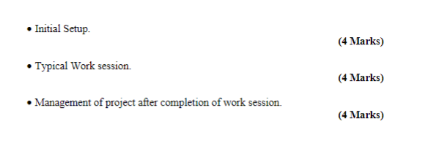

Initial Setup
 | Repository has to be setup (for unity) this is done by the Admin
 |  | Create Repo on GitHub
 |  |  | Unity .gitignore
 |  |  | Clone repo onto machine
 |  |  | create a unity project
 |  |  | move the unity folder into the repo
 |  |  | moved the .gitignore in to the unity folder
 |  |  | repo pushed back to github
 |  |  |  | merge master to main

 | The link to the group project repo (above) was sent to all participants
 | Repo was forked
 |  | This creates a linked copy of the repo on each participants own github account
 |  | clone this copy to a desktop
 |  | Do work on the project
 |  | Close all applications
 |  | Push to personal github repo
 |  |  | merge master to main
 |  |  | create pull request to contribute to the Group Repo/Project

Typical Work Session

 | Update local and personal repositories

 | Option 1
 |  | Sync your fork on personal gitHub
 |  | Update your local copy
 |  |  | git bash
 |  |  |  | git fetch origin
 |  |  |  | git merge origin/main

 | Option 2
 |  | Sync directly to youe local machine
 |  | Link to Group Repo must be made
 |  |  | git remote add GroupRepo <URL to GroupRepo>
 |  | git fetch GroupRepo
 |  | git merge GroupRepo/main
 |  | push changes to personal repo
 |  |  | merge master to main

 | Do work on the project
 | Close all applications
 | Push to personal github repo
 |  | merge master to main
 |  | create pull request to contribute to the Group Repo/Project

After work session

 | The admin must
 |  | Examine pull requests
 |  |  | Merge Pull Request
 |  |  |  | Resolve Merge Conflicts
 |  |  |  |  | Online (text)
 |  |  |  |  | Resolve conflicts on local machine
 |  | or
 |  |  | Discard

 | Inheritance
 | base class of HarvestableItem |  |  |  | (int id,int quantity) | code in update
 | children were rock script and tree script |  |  |  | assigned values to id eg rock id = 4

 | Polymorphism
 |  | Allowing access or method calls to different classes who share the same base class
 |  |  | EG rather than look for a rock or tree, we look for the base class Harvestable item
 |  | These scripts may be "cast"
 |  |  | HarvestableItem itemBeingharvested;
 |  |  | if (itemBeingharvested is bombscript) (itemBeingharvested as bombscript).explode()

 | Interfaces
 |  | Allows

 | Abstract Class
 |  | Any class that contains an abstract method

 |  | public variable
 |  | On collision or similar
 |  |  | GetComponent<somescript> allow acces to script
 |  | FindObject of type <somescript>
 |  | gameobect.sendmessage( someMethod, parameters)
 |  | broadcastMessage(somemethod , parameters)

